Performance Metrics
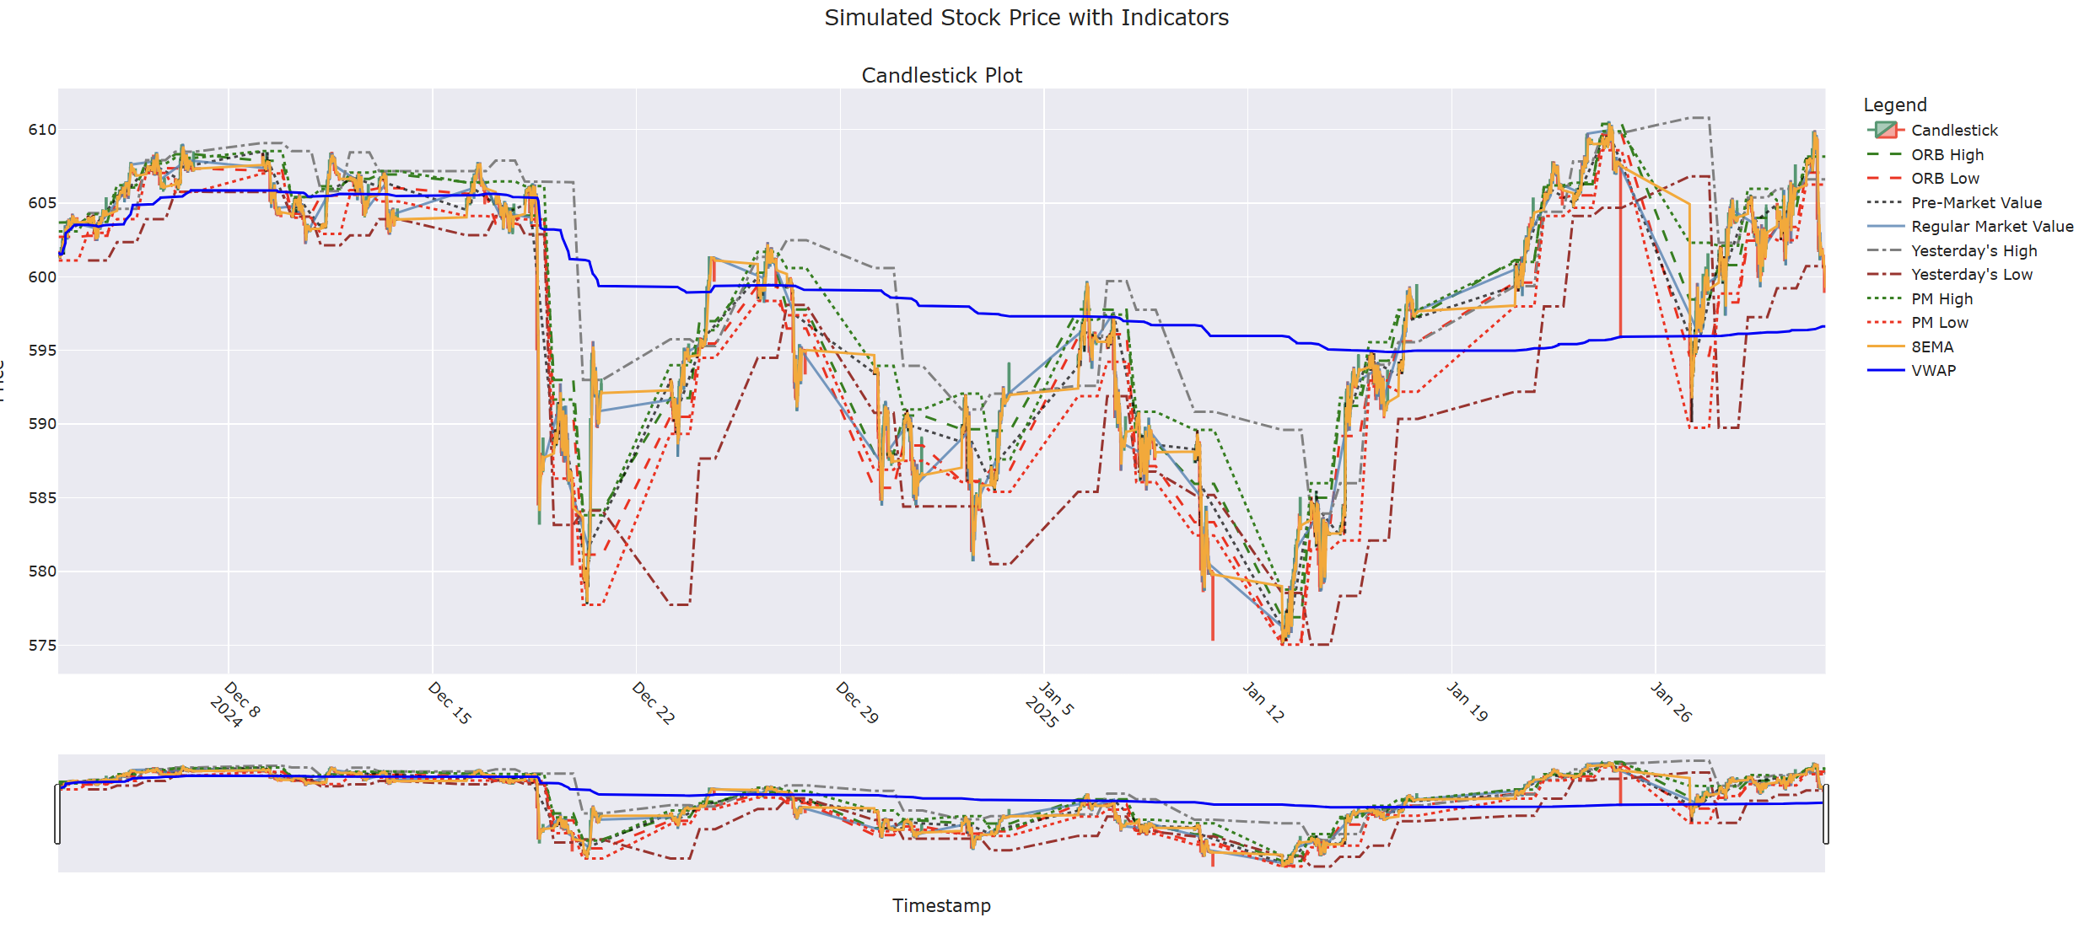
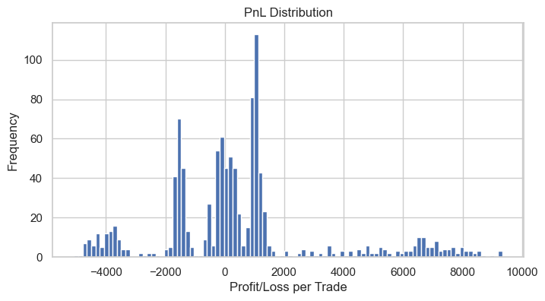
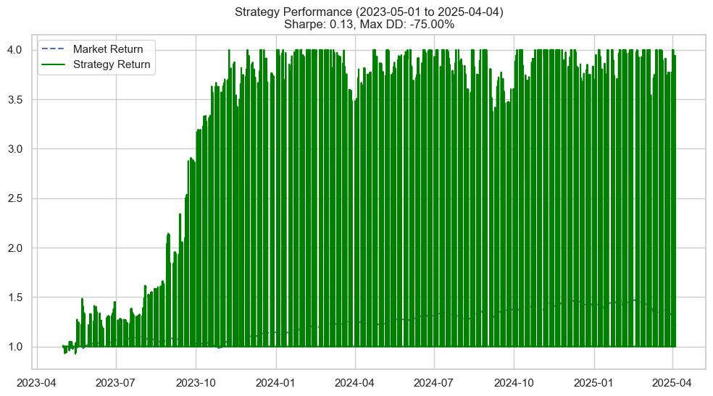
Metric | Value
Sharpe Ratio | 0.13
Max Drawdown | -75
Win Rate | 56.33
Final Portfolio Value | 98495.54
Final Strategy Return | 100
Total Trades | 1059

